BOM
Item | Part Number | Thumbnail | QTY | Stock Number | Description | REV
1 | 5537T425_T-SLOTTED FRAMING | 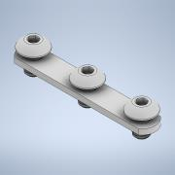 | 4 |  | STEP AP203 | ANY
2 | 20-4040_2m |  | 1

